BURNDOWN CHARTS
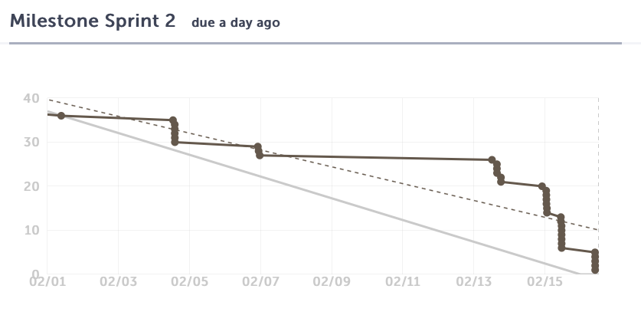
Issue # | User Story Title/Task Title | Description/Associated Tasks | Difficulty Level (0,1,2,3,5,8) | Priority | Risk | Assign | Sprint
#58 | #56 User can choose a time-slot for meeting with the instructor of choice | -create main page display -page content -available time displays -create mock free time table -create controller for accessing table based on user selection | 8 - Completing this would mean having the free time table created as well as the matching algorithm. Only after this can the controller display the necessary data. | HIGH | HIGH - part of main function of website. | Paul, Patrick, Ho Man | 2017-02-03
#57 | #56 Select a teacher or TA to book a meeting with | -create page for list of teachers, including content and form -create mock user table, adding title column for user -create controller for retrieving names of instructors | 5 | MED | LOW - The abilitiy to pick an instructor to meet with (from the perspective of UI) is not highly vital. The main fuction of the site is to match free times with another user. Choosing an instructor to meet with is more or less the same process, as finding a student. Implemeting the studend matching acomplishes the back end of this task. | Paul | 2
#52 | #49 User can save/confirm changes to free time | -button and associated form for submitting confirmation -create necessary DB tables for storing and accessing times -create controller to upate database with selected times | 8 - Ideally all of the free time selected has to be stored in single-variable fashion to reduce the complexity of the database. The current idea involves a an string of 1 and 0. | HIGH - Allows for entering free time. Necessary for matching algorithm | HIGH - Necessary for the algorithm for matchng with another site user. | Ho Man, Amadou | 2
#51 | #49 User can remove a block of free time | -Font end design -create a mechanism for removing/undoing a selection | 5 | MED | MED - The ability to remove a selected time is important but this is a front end task and testing can still be done with a more primative means of addition or removal. | Ho Man, Amadou | 2
#50 | #49 User can select free time to add to their schedule | -Front end design -create a mechanism for adding a selection of time visibly | 5 | HIGH - Allows for entering free time. Necessary for matching algorithm | MED - The ability to add a selected time is important but this is a front end task and testing can still be done with a more primative means of addition or removal. | Ho Man, Amadou | 2
#48 | #30 User shall confirm the list of selected classes to be added to their schedule | -Create front end sumbission form -design controller to submit the data to the database. -create necessary DB tables for storing/accessing courses | 5 | HIGH - Needed for matching algorithm | HIGH - Essential for users to add courses to their profile for matching with another user later on. | Patrick, Karine | 2017-02-03
#47 | #30 User can select a class to be removed from the list | -Create front end for removing a course from pending list. | 5 | MED | MED - This is to give the option of removing a class in the pending list in order to edit current class selections. Not being able to remove a class is not vital to the functioning of the entire site. However customization and error correction is important. | Karine | 2
#46 | #30 User shall select a course, and the course is added to a list for adding to their profile | -create a DB table of courses -create controller function to send course information to page -create front end so a course can be selected -create front end for course selection to appear in a pending list | 5 | HIGH - Required for initializing a profile and taking advantage of the main fucntion of the app. | HIGH - Essential for users to add courses to their profile for matching with another user later on. | Patrick, Karine | 2
#45 | User should be able to register and log in using Facebook | -Add socialite dependancy -Connect it to the user table for adding a user. | 5 | LOW | LOW - the user can register with email and password. Facebook sign in is an extra feature. | Nathan | 2
#38 | #34 Front end page for selecting a class to study | -Create UI (front end) with php to display all possible classes -Create form for submitting selections | 5 | LOW - Mainly for sprint three and will be based off a page for adding courses to a profile. | MED - Choosing a class to find a budy to study with is important, however the front end for this page will be mostly based of of the page to add a course to the user profile. | Karine | 3

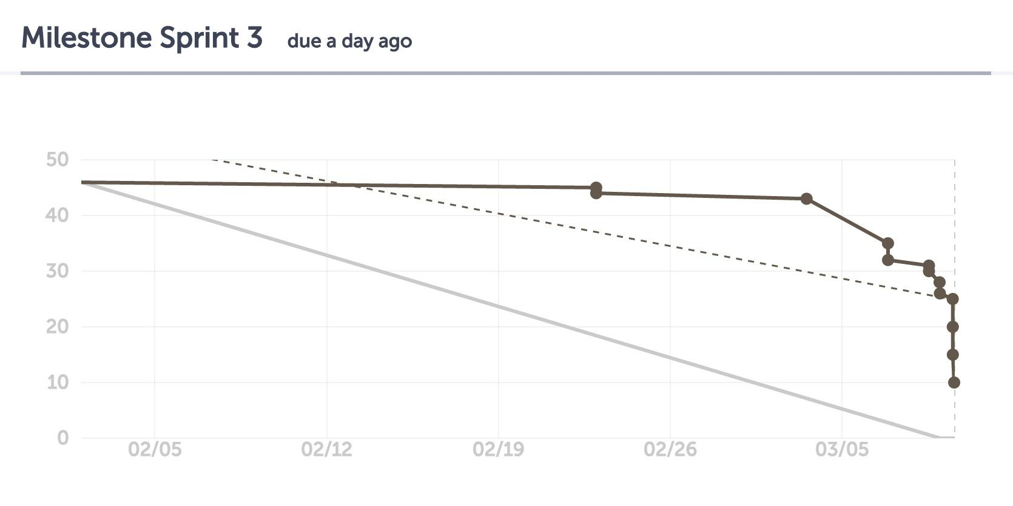
SPRINT 3
Issue # | User Story Title/Task Title | Description/Associated Tasks | Difficulty Level (0,1,2,3,5,8) | Priority | Risk | Assign | Sprint
#85 | #56 User can see the list of available teachers and course they teach (UI update) | -Using the Enrolment table/model/controller, display the course associated with the teacher (back end routing). -Refactor UI to display this information. | see GitHub | LOW | LOW - This is not needed for the overal functionin of the website.
#81 | #56 User can confirm the time slot to book a meeting with instructor | -updating models and controllers. -Controller/model to POST potential matches. -Refactoring/update page |  | HIGH
#58 | #56 User can choose a time-slot for meeting with the instructor of choice | -integrating tables employing match-algorithm data -create controller to get 'matching' data -Refactor/update page |  | HIGH
#81 | #34 User sees students whose free time matches theirs for the course they chose | -Front end UI -Employing Model and controllers to GET match data.
#38 | #34 A user can select a class to find a buddy to study with | -Front end UI -Employing Model and controllers to POST/GET match data. |  | HIGH
#39 | #43 create page layout for list of matched students (dasboard display) | -Create front end page -Create conroller to access user and meeting information. |  | LOW | LOW - The dashboard display at the moment is just a way to indicate the matches that have been made and it is not vital to the core functioning of the site. | Johnny | 2

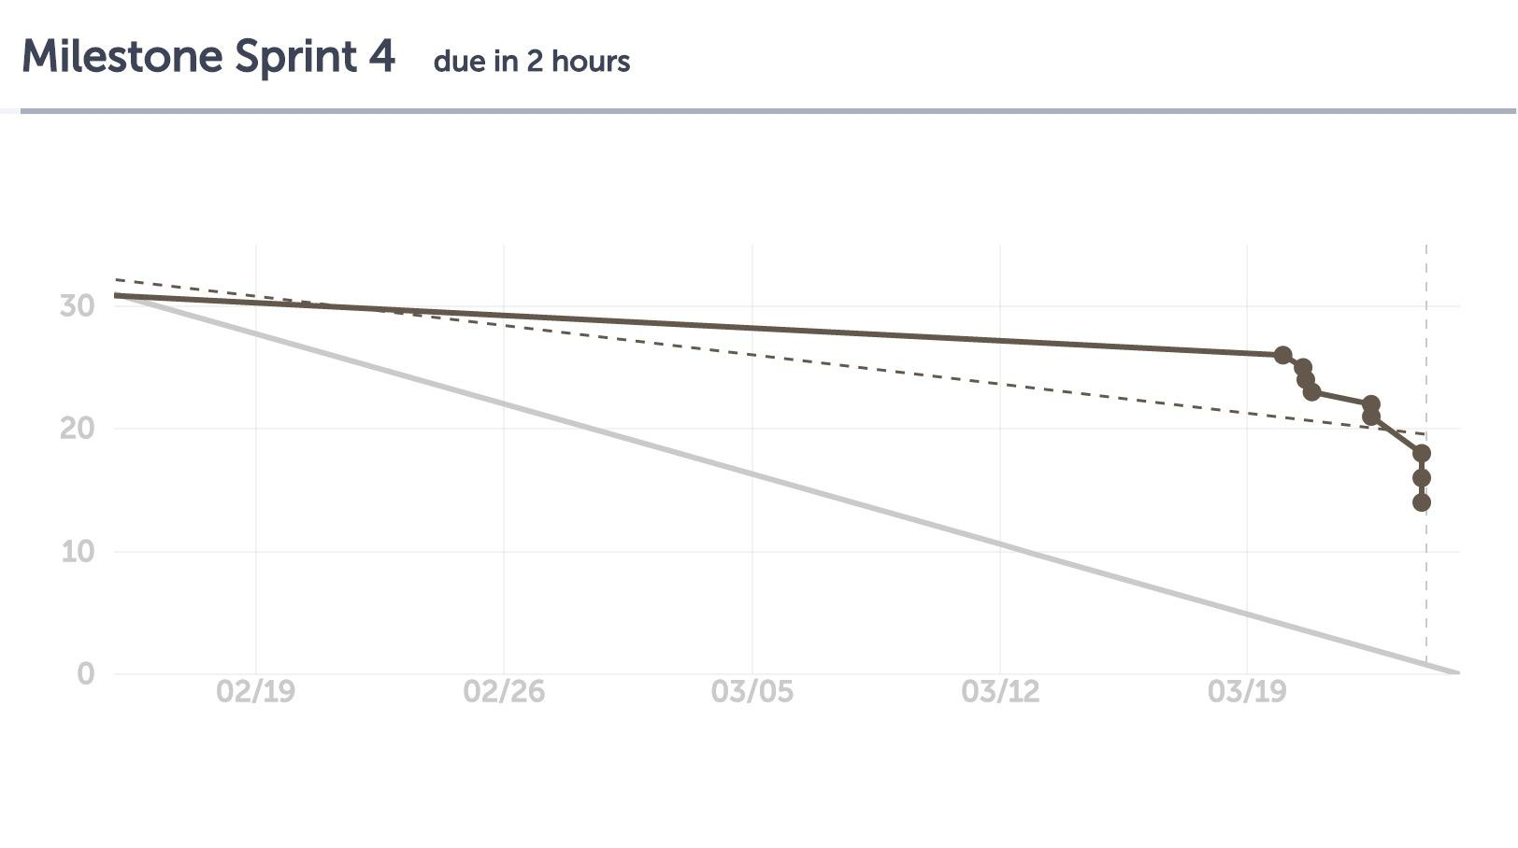
SPRINT 4
Issue # | User Story Title/Task Title | Description/Associated Tasks | Difficulty Level (0,1,2,3,5,8) | Priority | Risk | Assign | Sprint
#86 | #34 User can view and accept/decline their pending meeting requests | - These requests appear on main dashboard. There should be a method for a pending request to appear on the requested students wall and a way for them to confirm the meeting. | 5 | HIGH | HIGH - necessary for working app and making meetings with other students |  | 4
#102 | Initial User Setup | - This task is to ensure as soon as a registraiton is made the system asks the user for their free time and course input. This prepares the user to be ready for making a meeting. | 3 | MED - The site still works. User can always manually add remove time and classes from dashboard. | LOW - The site can still be functional otherwise. |  | 4
#87 | #34 #81 Retrieve list of matching students and time blocks once a user searches | - implement matching algorithm that retursn results dynamically. - add route to web.php - create controller and methods to handle GET request | 3 | HIGH | HIGH - necessary for working app. |  | 4
#81 | #34 User sees students whose free time matches theirs for the course they chose | - Front and Back end. - Matching algorithm should be implemented here to show stuents whose time and class matches with the current user. - All of the students on this page should be selectable, but only one at a time in order to create a meeting. | see task #87 | HIGH | HIGH - necessary for working app. |  | 4
#38 | #34 A user can select a class to find a buddy to study with | - UI is already created. Inlcuding back end to this user story. - Bank end includes fetching classes for the given user to display and be selectable. | 5 | HIGH | HIGH - necessary for working app. |  | 4
#85 | #56 User can see the list of available teachers and course they teach (UI update) | - UI update to choosing an instructor. Prinicaply front end | 1 | LOW | LOW |  | 4
#115 | Sidebar should properly link to each page. (BUG) | - Updating all links to concrete pages of the site form the sidebar. | 0 | LOW - easy to execute. almost no time required | MED - The site will not function properly without it. |  | 4
 | Fix enrollments database | -Add course_id back to enrollments table, instead of course_code | 1 | HIGH | MED |  | 4
 | Write unit tests for all features | -write unit tests for all features | 2 | HIGH | LOW |  | 4
 | Create criteria for acceptance testing | -create criteria that will be used across all user stories | 3 | HIGH | LOW |  | 4
 | Complete acceptance testing for all user stories | -test each user story individually | 1 | HIGH | LOW |  | 4
 | Smoke Tests | -Cover all major functions of the application under various circumstances | 1 | LOW | LOW |  | 4
 | Automate burndown chart - fix date issue | -Burndown does not take into consideration the end of a milestone | 3 | MED | LOW |  | 4
 | Rating system - front | -Create UI for rating other users after meetings | 5 | MED | MED |  | 4
 | Rating system - back | -Back end work for rating other users after a meeting takes place | 5 | MED | LOW |  | 4
 | Save completed meetings | -Completed meetings must be saved, so that users can rate each other | 5 | MED | MED |  | 4
 | Improve availabilities page | http://jsfiddle.net/few5E/ | 4 | MED | MED |  | 4
 | Meetings date passes fix | -After a meeting is held (date passes), it must be saved | 3 | MED | MED |  | 4

SPRINT 5
Issue # | User Story Title/Task Title | Description/Associated Tasks | Difficulty Level (0,1,2,3,5,8) | Priority | Risk | Assign | Sprint
 | Email notification | -send email notifications after notable events | 8 | MED | MED |  | 5
 | Rating System | -based on past meetings, users can rate each other |  | MED | MED |  | 5
#144 | Task: Update UI on every page | -Make user interface clean, with easy to read text and buttons. Remove unncessary data for a regular user. | 8 |  |  |  | 5
#145 | Task: Acceptance Testing | - Create acceptance tests for each user story | 5 | HIGH - This is a new requirement that needs to be completed |  |  | 5
#146 | User Story: Only My Teachers | - User Story being worked on in task #177 | 2 |  |  |  | 5
#147 | #146 Task: Add code to filter Users teachers | - This task is to filter the teachers displayed to the user when they go to choose one to make a meeting. | 1 | HIGH - This is needed for proper functioning when meeting with a teacher. | HIGH - Basic Functionality |  | 5
#122 | #145 Acceptance testing schedule | - As per global task #145 | 1 |  |  |  | 5
#85 | #144 User can see the list of available teachers and course they teach (UI update) |  | 2 |  |  |  | 5
 | Add validation across all UI | Validate form input, send back message if errors | 2

